Maximum Value
Searching for a Maximum Value in a Formula
The graph shows the formula z=−(x² + y²) + 4. It's not a terribly complicated formula, but it can be used to show how Solver's Evolutionary method works.
Tasks:
- In cell B5, create the formula to calculate z using the formula −(x² + y²) + 4.
- Launch Solver.
- Choose B5 as the target cell.
- Choose Max.
-Cells B3:B4 will be the changing cells.
- Uncheck the box that requires unconstrained values to be integers.
- Choose the Evolutionary method.
- Add contrains so that B3:B4 are >= -50 and <= 50. This constrains the search space.
- Click solve.
- What is the maximum (i.e. the highest point in the graph)?
X | 5
Y | 5
Z | -46

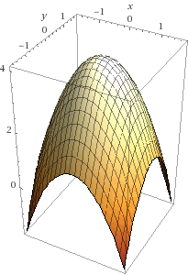

Solution
Searching for a Maximum Value in a Formula
The graph shows the formula z=−(x² + y²) + 4. It's not a terribly complicated formula, but it can be used to show how Solver's Evolutionary method works.
Tasks:
- In cell B5, create the formula to calculate z using the formula −(x² + y²) + 4.
- Launch Solver.
- Choose B5 as the target cell.
- Choose Max.
-Cells B3:B4 will be the changing cells.
- Uncheck the box that requires unconstrained values to be integers.
- Choose the Evolutionary method.
- Add contrains so that B3:B4 are >= -50 and <= 50. This constrains the search space.
- Click solve.
- What is the maximum (i.e. the highest point in the graph)?
X | 0
Y | 0
Z | 4

