Sheet1
Create an IF statement that prints the correct intersection of the Venn Diagram of Emotions.
For example, if "Sudden Rage" and "Prolonged Suffering" are true but "Short-lived Happiness" is false, print "Stubbing your toe, twice."
The Venn diagram comes from http://mentalfloss.com/article/61102/12-funny-and-delicious-venn-diagrams
Short-lived Happiness | Sudden Rage | Prolonged Suffering | Prediction
TRUE | TRUE | TRUE
TRUE | TRUE | FALSE
FALSE | TRUE | TRUE
TRUE | FALSE | TRUE

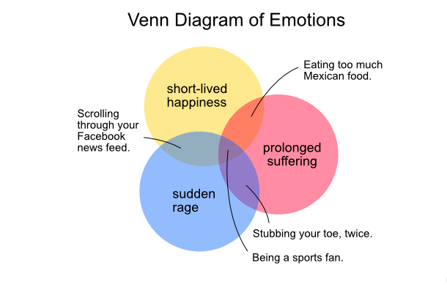

Solution
Create an IF statement that prints the correct intersection of the Venn Diagram of Emotions.
For example, if "Sudden Rage" and "Prolonged Suffering" are true but "Short-lived Happiness" is false, print "Stubbing your toe, twice."
The Venn diagram comes from http://mentalfloss.com/article/61102/12-funny-and-delicious-venn-diagrams
Short-lived Happiness | Sudden Rage | Prolonged Suffering | Prediction
TRUE | TRUE | TRUE | Being a sports fan.
TRUE | TRUE | FALSE | Scrolling through your Facebook news feed
FALSE | TRUE | TRUE | Stubbing your toe, twice.
TRUE | FALSE | TRUE | Eating too much Mexican food

